Graphics Used
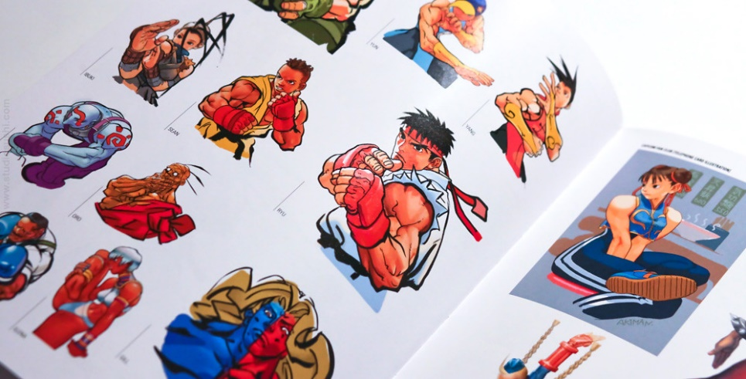
CROSS×OVER FIGHTERz
CHOOSE YOUR FIGHTERz

V×S

